Regression By Cutting ANOVAS
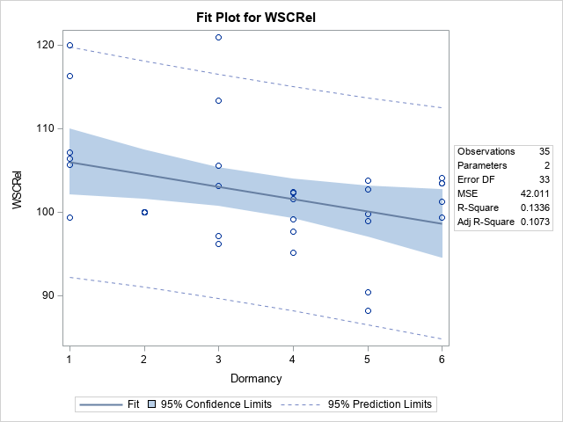
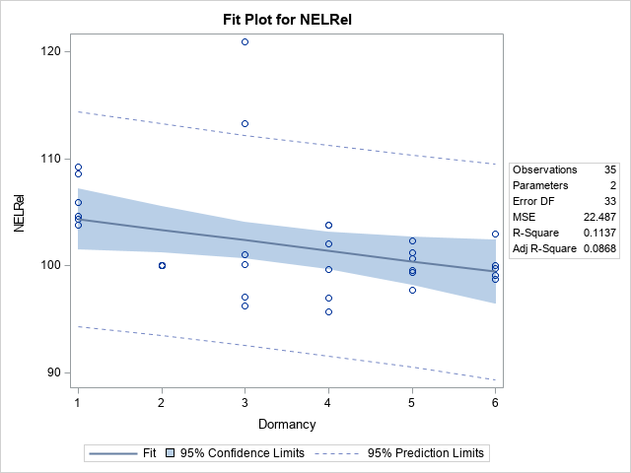
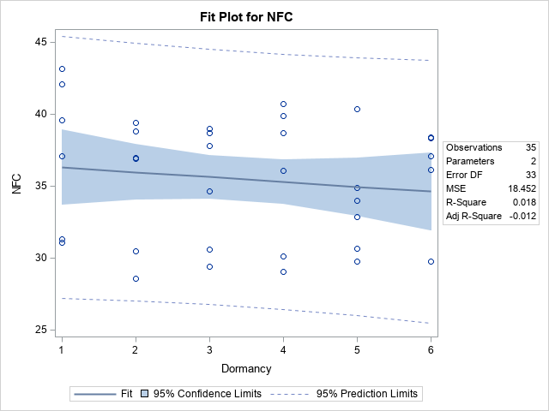
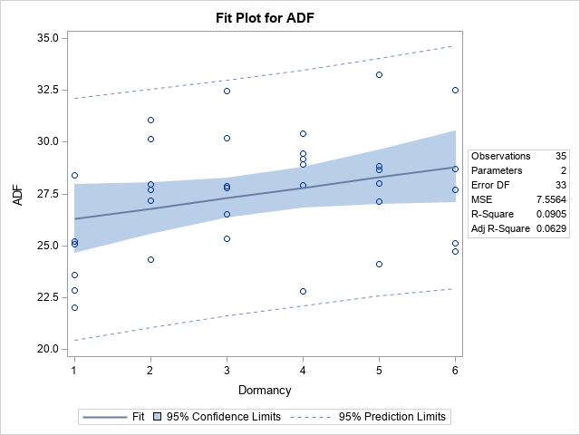
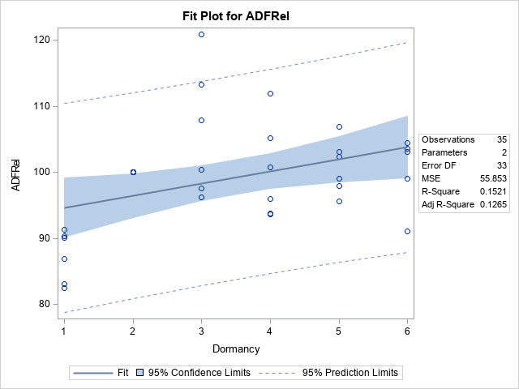

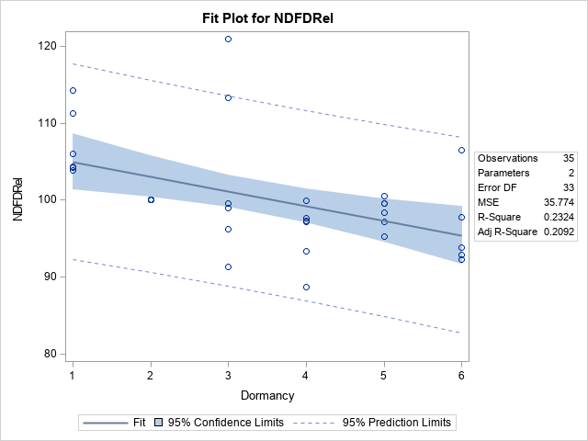
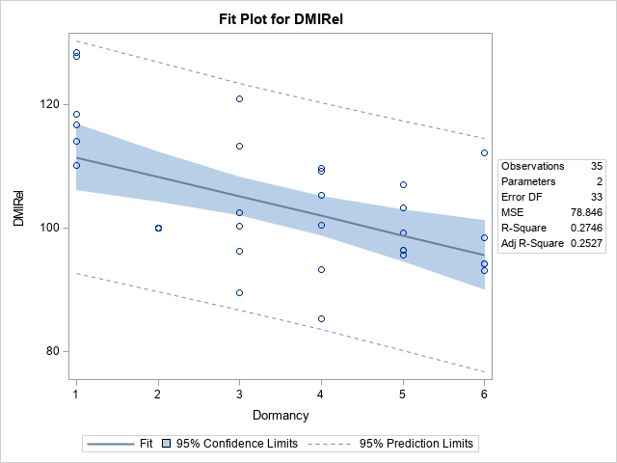
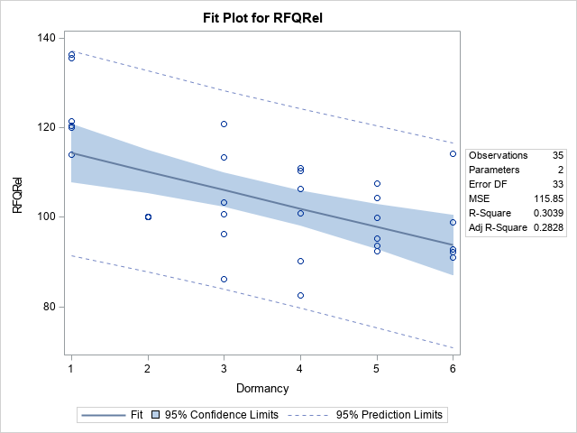

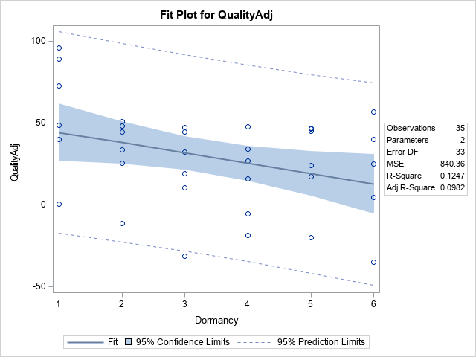
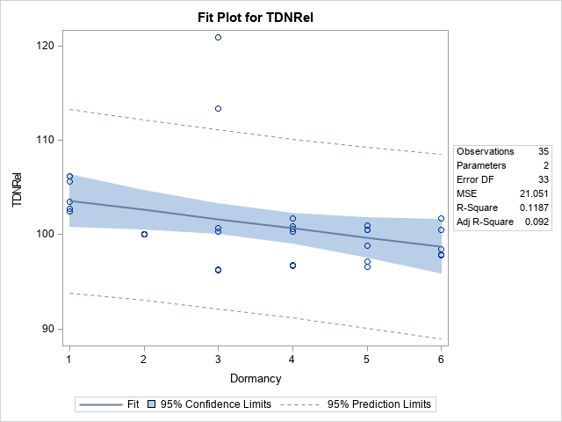

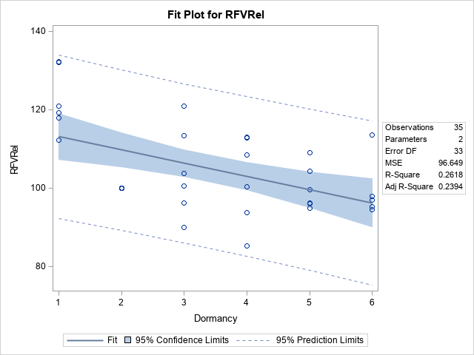
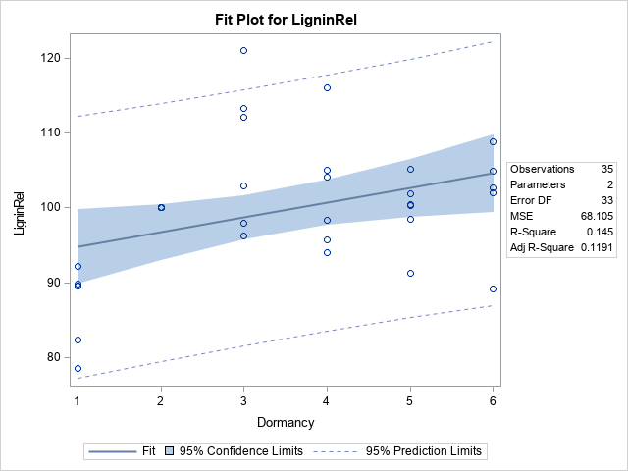
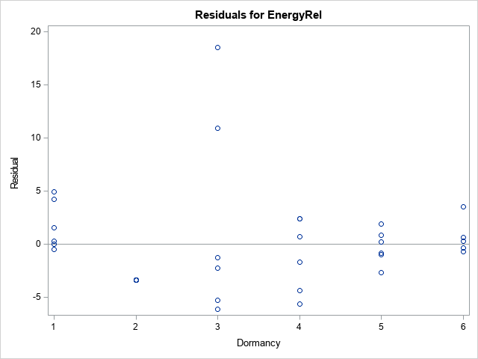
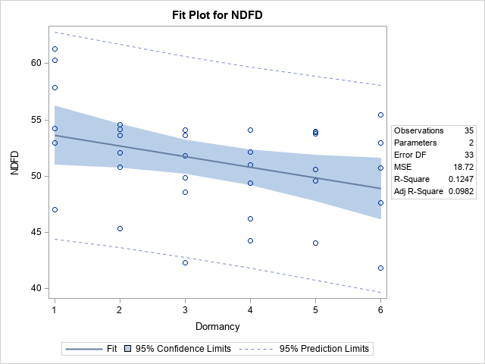
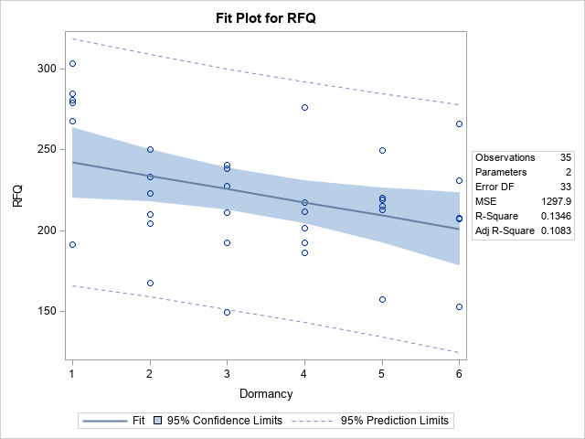
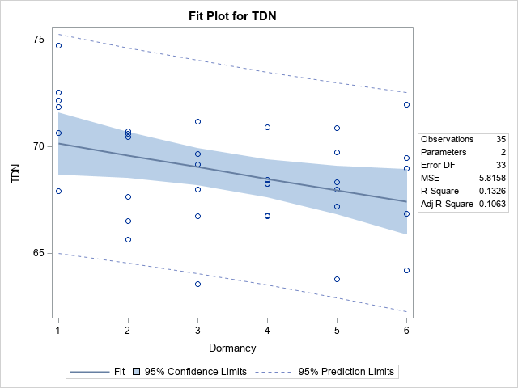
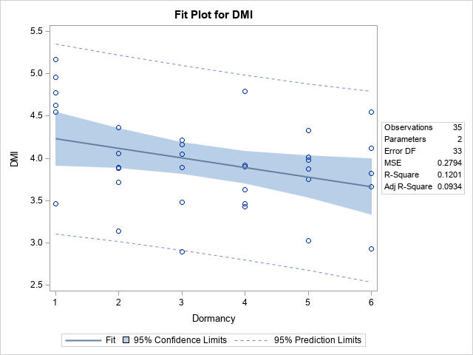
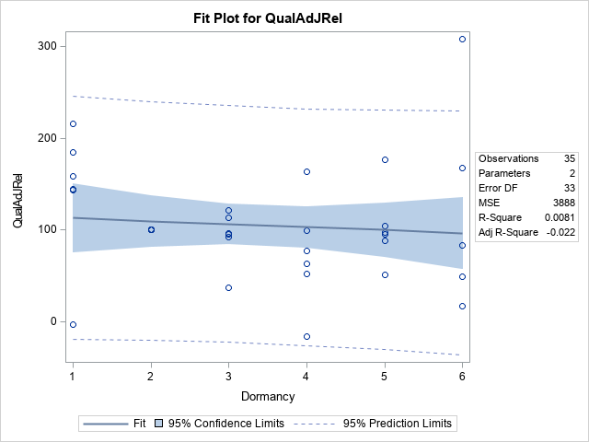
Cutting
First cut no significant differnces
Second | 3 |  |  | Fat |  |  |  |  |  | NDFD |  |  |  |  |  | Qual Adj
Third | 8 |  |  | Fat |  |  | NEL |  |  | NDFD | TDN | DMI | RFQ | Energy |  | Qual Adj
Fourth | 15 | ADF | aNDF | Fat | Lignin | WSC | NEL | RFV | NFC | NDFD | TDN | DMI | RFQ | Energy | Fiber | Quality Adj

Fall Dormancy Cuts 1-4 2019 and 2020 |  |  |  |  |  |  | Fall Dormancy Cuts 1-4 2019 and 2020 |  |  |  |  |  |  | Fall Dormancy Cuts 1-4 2019 and 2020

The REG Procedure |  |  |  |  |  |  | The REG Procedure |  |  |  |  |  |  | The REG Procedure
Model: MODEL1 |  |  |  |  |  |  | Model: MODEL1 |  |  |  |  |  |  | Model: MODEL1
Dependent Variable: FATRel |  |  |  |  |  |  | Dependent Variable: NDFDRel |  |  |  |  |  |  | Dependent Variable: QualAdJRel

Cut=2 |  |  |  |  |  |  | Cut=2 |  |  |  |  |  |  | Cut=2

Number of Observations Read | 35 |  |  |  |  |  | Number of Observations Read | 35 |  |  |  |  |  | Number of Observations Read | 35
Number of Observations Used | 35 |  |  |  |  |  | Number of Observations Used | 35 |  |  |  |  |  | Number of Observations Used | 35

Analysis of Variance |  |  |  |  |  |  | Analysis of Variance |  |  |  |  |  |  | Analysis of Variance
Source | DF | Sum of | Mean | F Value | Pr > F |  | Source | DF | Sum of | Mean | F Value | Pr > F |  | Source | DF | Sum of | Mean | F Value | Pr > F
 |  | Squares | Square |  |  |  |  |  | Squares | Square |  |  |  |  |  | Squares | Square
Model | 1 | 197.01618 | 197.01618 | 9.36 | 0.0044 |  | Model | 1 | 49.06845 | 49.06845 | 5.69 | 0.023 |  | Model | 1 | 23720 | 23720 | 4.16 | 0.0494
Error | 33 | 694.65639 | 21.05019 |  |  |  | Error | 33 | 284.59687 | 8.62415 |  |  |  | Error | 33 | 188038 | 5698.12306
Corrected Total | 34 | 891.67257 |  |  |  |  | Corrected Total | 34 | 333.66532 |  |  |  |  | Corrected Total | 34 | 211758

Root MSE | 4.58805 | R-Square | 0.221 |  |  |  | Root MSE | 2.93669 | R-Square | 0.1471 |  |  |  | Root MSE | 75.48591 | R-Square | 0.112
Dependent Mean | 100.23711 | Adj R-Sq | 0.1973 |  |  |  | Dependent Mean | 97.55515 | Adj R-Sq | 0.1212 |  |  |  | Dependent Mean | 53.16341 | Adj R-Sq | 0.0851
Coeff Var | 4.5772 |  |  |  |  |  | Coeff Var | 3.01029 |  |  |  |  |  | Coeff Var | 141.98847

Parameter Estimates |  |  |  |  |  |  | Parameter Estimates |  |  |  |  |  |  | Parameter Estimates
Variable | DF | Parameter | Standard | t Value | Pr > |t| |  | Variable | DF | Parameter | Standard | t Value | Pr > |t| |  | Variable | DF | Parameter | Standard | t Value | Pr > |t|
 |  | Estimate | Error |  |  |  |  |  | Estimate | Error |  |  |  |  |  | Estimate | Error
Intercept | 1 | 105.28625 | 1.82355 | 57.74 | <.0001 |  | Intercept | 1 | 100.07496 | 1.1672 | 85.74 | <.0001 |  | Intercept | 1 | 108.56528 | 30.0023 | 3.62 | 0.001
Dormancy | 1 | -1.41376 | 0.46212 | -3.06 | 0.0044 |  | Dormancy | 1 | -0.70555 | 0.29579 | -2.39 | 0.023 |  | Dormancy | 1 | -15.51252 | 7.60309 | -2.04 | 0.0494

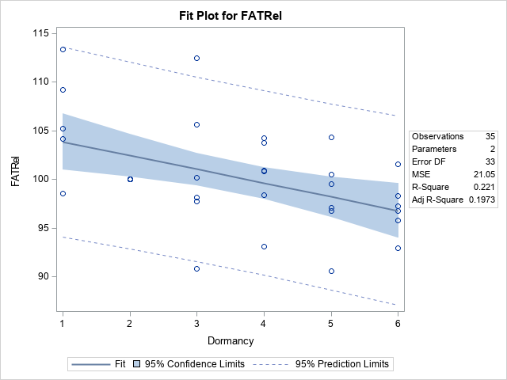

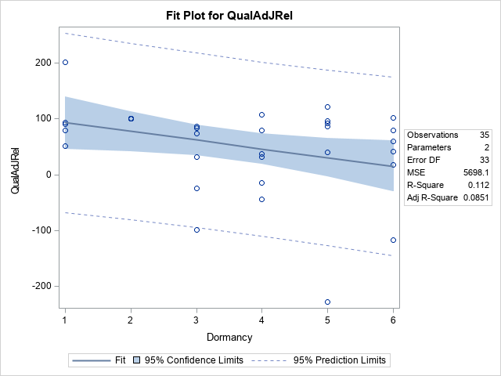

Fall Dormancy Cuts 1-4 2019 and 2020 |  |  |  |  |  |  |  |  |  | Fall Dormancy Cuts 1-4 2019 and 2020 |  |  |  |  |  |  |  |  | Fall Dormancy Cuts 1-4 2019 and 2020 |  |  |  |  |  |  |  |  | Fall Dormancy Cuts 1-4 2019 and 2020 |  |  |  |  |  |  |  | Fall Dormancy Cuts 1-4 2019 and 2020 |  |  |  |  |  |  |  |  |  | Fall Dormancy Cuts 1-4 2019 and 2020 |  |  |  |  |  |  |  | Fall Dormancy Cuts 1-4 2019 and 2020 |  |  |  |  |  |  |  | The REG Procedure |  |  |  |  |  |  | Fall Dormancy Cuts 1-4 2019 and 2020 |  |  |  |  |  |  |  | Fall Dormancy Cuts 1-4 2019 and 2020
 |  |  |  |  |  |  |  |  |  |  |  |  |  |  |  |  |  |  |  |  |  |  |  |  |  |  |  |  |  |  |  |  |  |  |  |  |  |  |  |  |  |  |  |  |  |  |  |  |  |  |  |  |  |  |  |  |  |  |  |  |  | Model: MODEL1
The REG Procedure |  |  |  |  |  |  |  |  |  | The REG Procedure |  |  |  |  |  |  |  |  | The REG Procedure |  |  |  |  |  |  |  |  | The REG Procedure |  |  |  |  |  |  |  | The REG Procedure |  |  |  |  |  |  |  |  |  | The REG Procedure |  |  |  |  |  |  |  | The REG Procedure |  |  |  |  |  |  |  | Dependent Variable: RFQRel |  |  |  |  |  |  | The REG Procedure |  |  |  |  |  |  |  | The REG Procedure
Model: MODEL1 |  |  |  |  |  |  |  |  |  | Model: MODEL1 |  |  |  |  |  |  |  |  | Model: MODEL1 |  |  |  |  |  |  |  |  | Model: MODEL1 |  |  |  |  |  |  |  | Model: MODEL1 |  |  |  |  |  |  |  |  |  | Model: MODEL1 |  |  |  |  |  |  |  | Model: MODEL1 |  |  |  |  |  |  |  |  |  |  |  |  |  |  | Model: MODEL1 |  |  |  |  |  |  |  | Model: MODEL1
Dependent Variable: FAT |  |  |  |  |  |  |  |  |  | Dependent Variable: FATRel |  |  |  |  |  |  |  |  | Dependent Variable: NELRel |  |  |  |  |  |  |  |  | Dependent Variable: NDFD |  |  |  |  |  |  |  | Dependent Variable: NDFDRel |  |  |  |  |  |  |  |  |  | Dependent Variable: TDNRel |  |  |  |  |  |  |  | Dependent Variable: DMIRel |  |  |  |  |  |  |  | Cut=3 |  |  |  |  |  |  | Dependent Variable: EnergyRel |  |  |  |  |  |  |  | Dependent Variable: QualityAdj

Cut=3 |  |  |  |  |  |  |  |  |  | Cut=3 |  |  |  |  |  |  |  |  | Cut=3 |  |  |  |  |  |  |  |  | Cut=3 |  |  |  |  |  |  |  | Cut=3 |  |  |  |  |  |  |  |  |  | Cut=3 |  |  |  |  |  |  |  | Cut=3 |  |  |  |  |  |  |  | Number of Observations Read | 36 |  |  |  |  |  | Cut=3 |  |  |  |  |  |  |  | Cut=3
 |  |  |  |  |  |  |  |  |  |  |  |  |  |  |  |  |  |  |  |  |  |  |  |  |  |  |  |  |  |  |  |  |  |  |  |  |  |  |  |  |  |  |  |  |  |  |  |  |  |  |  |  |  |  |  |  |  |  |  |  |  | Number of Observations Used | 36
Number of Observations Read | 36 |  |  |  |  |  |  |  |  | Number of Observations Read | 36 |  |  |  |  |  |  |  | Number of Observations Read | 36 |  |  |  |  |  |  |  | Number of Observations Read | 36 |  |  |  |  |  |  | Number of Observations Read | 36 |  |  |  |  |  |  |  |  | Number of Observations Read | 36 |  |  |  |  |  |  | Number of Observations Read | 36 |  |  |  |  |  |  |  |  |  |  |  |  |  | Number of Observations Read | 36 |  |  |  |  |  |  | Number of Observations Read | 36
Number of Observations Used | 36 |  |  |  |  |  |  |  |  | Number of Observations Used | 36 |  |  |  |  |  |  |  | Number of Observations Used | 36 |  |  |  |  |  |  |  | Number of Observations Used | 36 |  |  |  |  |  |  | Number of Observations Used | 36 |  |  |  |  |  |  |  |  | Number of Observations Used | 36 |  |  |  |  |  |  | Number of Observations Used | 36 |  |  |  |  |  |  | Analysis of Variance |  |  |  |  |  |  | Number of Observations Used | 36 |  |  |  |  |  |  | Number of Observations Used | 36
 |  |  |  |  |  |  |  |  |  |  |  |  |  |  |  |  |  |  |  |  |  |  |  |  |  |  |  |  |  |  |  |  |  |  |  |  |  |  |  |  |  |  |  |  |  |  |  |  |  |  |  |  |  |  |  |  |  |  |  |  |  | Source | DF | Sum of | Mean | F Value | Pr > F
Analysis of Variance |  |  |  |  |  |  |  |  |  | Analysis of Variance |  |  |  |  |  |  |  |  | Analysis of Variance |  |  |  |  |  |  |  |  | Analysis of Variance |  |  |  |  |  |  |  | Analysis of Variance |  |  |  |  |  |  |  |  |  | Analysis of Variance |  |  |  |  |  |  |  | Analysis of Variance |  |  |  |  |  |  |  |  |  | Squares | Square |  |  |  | Analysis of Variance |  |  |  |  |  |  |  | Analysis of Variance
Source | DF | Sum of | Mean | F Value | Pr > F |  |  |  |  | Source | DF | Sum of | Mean | F Value | Pr > F |  |  |  | Source | DF | Sum of | Mean | F Value | Pr > F |  |  |  | Source | DF | Sum of | Mean | F Value | Pr > F |  |  | Source | DF | Sum of | Mean | F Value | Pr > F |  |  |  |  | Source | DF | Sum of | Mean | F Value | Pr > F |  |  | Source | DF | Sum of | Mean | F Value | Pr > F |  |  | Model | 1 | 354.17878 | 354.17878 | 6.93 | 0.0127 |  | Source | DF | Sum of | Mean | F Value | Pr > F |  |  | Source | DF | Sum of | Mean | F Value | Pr > F
 |  | Squares | Square |  |  |  |  |  |  |  |  | Squares | Square |  |  |  |  |  |  |  | Squares | Square |  |  |  |  |  |  |  | Squares | Square |  |  |  |  |  |  | Squares | Square |  |  |  |  |  |  |  |  | Squares | Square |  |  |  |  |  |  | Squares | Square |  |  |  |  | Error | 34 | 1738.57358 | 51.13452 |  |  |  |  |  | Squares | Square |  |  |  |  |  |  | Squares | Square
Model | 1 | 0.15829 | 0.15829 | 7 | 0.0123 |  |  |  |  | Model | 1 | 420.52512 | 420.52512 | 13.27 | 0.0009 |  |  |  | Model | 1 | 26.57614 | 26.57614 | 4.66 | 0.038 |  |  |  | Model | 1 | 36.5947 | 36.5947 | 5.83 | 0.0213 |  |  | Model | 1 | 142.72596 | 142.72596 | 8.57 | 0.0061 |  |  |  |  | Model | 1 | 33.384 | 33.384 | 12.21 | 0.0013 |  |  | Model | 1 | 166.62506 | 166.62506 | 5.39 | 0.0264 |  |  | Corrected Total | 35 | 2092.75236 |  |  |  |  | Model | 1 | 26.57614 | 26.57614 | 4.66 | 0.038 |  |  | Model | 1 | 1642.73587 | 1642.73587 | 5.83 | 0.0213
Error | 34 | 0.76931 | 0.02263 |  |  |  |  |  |  | Error | 34 | 1077.73554 | 31.6981 |  |  |  |  |  | Error | 34 | 193.85925 | 5.70174 |  |  |  |  |  | Error | 34 | 213.56507 | 6.28133 |  |  |  |  | Error | 34 | 566.33323 | 16.65686 |  |  |  |  |  |  | Error | 34 | 92.98522 | 2.73486 |  |  |  |  | Error | 34 | 1051.16617 | 30.91665 |  |  |  |  |  |  |  |  |  |  |  | Error | 34 | 193.85925 | 5.70174 |  |  |  |  | Error | 34 | 9586.93616 | 281.96871
Corrected Total | 35 | 0.9276 |  |  |  |  |  |  |  | Corrected Total | 35 | 1498.26066 |  |  |  |  |  |  | Corrected Total | 35 | 220.43538 |  |  |  |  |  |  | Corrected Total | 35 | 250.15977 |  |  |  |  |  | Corrected Total | 35 | 709.05919 |  |  |  |  |  |  |  | Corrected Total | 35 | 126.36922 |  |  |  |  |  | Corrected Total | 35 | 1217.79123 |  |  |  |  |  | Root MSE | 7.15084 | R-Square | 0.1692 |  |  |  | Corrected Total | 35 | 220.43538 |  |  |  |  |  | Corrected Total | 35 | 11230
 |  |  |  |  |  |  |  |  |  |  |  |  |  |  |  |  |  |  |  |  |  |  |  |  |  |  |  |  |  |  |  |  |  |  |  |  |  |  |  |  |  |  |  |  |  |  |  |  |  |  |  |  |  |  |  |  |  |  |  |  |  | Dependent Mean | 99.88555 | Adj R-Sq | 0.1448
Root MSE | 0.15042 | R-Square | 0.1706 |  |  |  |  |  |  | Root MSE | 5.63011 | R-Square | 0.2807 |  |  |  |  |  | Root MSE | 2.38783 | R-Square | 0.1206 |  |  |  |  |  | Root MSE | 2.50626 | R-Square | 0.1463 |  |  |  |  | Root MSE | 4.08128 | R-Square | 0.2013 |  |  |  |  |  |  | Root MSE | 1.65374 | R-Square | 0.2642 |  |  |  |  | Root MSE | 5.56027 | R-Square | 0.1368 |  |  |  |  | Coeff Var | 7.15903 |  |  |  |  |  | Root MSE | 2.38783 | R-Square | 0.1206 |  |  |  |  | Root MSE | 16.79192 | R-Square | 0.1463
Dependent Mean | 1.89248 | Adj R-Sq | 0.1463 |  |  |  |  |  |  | Dependent Mean | 99.13533 | Adj R-Sq | 0.2595 |  |  |  |  |  | Dependent Mean | 100.24229 | Adj R-Sq | 0.0947 |  |  |  |  |  | Dependent Mean | 48.69044 | Adj R-Sq | 0.1212 |  |  |  |  | Dependent Mean | 98.51808 | Adj R-Sq | 0.1778 |  |  |  |  |  |  | Dependent Mean | 99.85842 | Adj R-Sq | 0.2425 |  |  |  |  | Dependent Mean | 99.92284 | Adj R-Sq | 0.1114 |  |  |  |  |  |  |  |  |  |  |  | Dependent Mean | 100.24229 | Adj R-Sq | 0.0947 |  |  |  |  | Dependent Mean | 11.32598 | Adj R-Sq | 0.1212
Coeff Var | 7.94841 |  |  |  |  |  |  |  |  | Coeff Var | 5.67921 |  |  |  |  |  |  |  | Coeff Var | 2.38206 |  |  |  |  |  |  |  | Coeff Var | 5.14733 |  |  |  |  |  |  | Coeff Var | 4.14267 |  |  |  |  |  |  |  |  | Coeff Var | 1.65609 |  |  |  |  |  |  | Coeff Var | 5.56457 |  |  |  |  |  |  | Parameter Estimates |  |  |  |  |  |  | Coeff Var | 2.38206 |  |  |  |  |  |  | Coeff Var | 148.26024
 |  |  |  |  |  |  |  |  |  |  |  |  |  |  |  |  |  |  |  |  |  |  |  |  |  |  |  |  |  |  |  |  |  |  |  |  |  |  |  |  |  |  |  |  |  |  |  |  |  |  |  |  |  |  |  |  |  |  |  |  |  | Variable | DF | Parameter | Standard | t Value | Pr > |t|
Parameter Estimates |  |  |  |  |  |  |  |  |  | Parameter Estimates |  |  |  |  |  |  |  |  | Parameter Estimates |  |  |  |  |  |  |  |  | Parameter Estimates |  |  |  |  |  |  |  | Parameter Estimates |  |  |  |  |  |  |  |  |  | Parameter Estimates |  |  |  |  |  |  |  | Parameter Estimates |  |  |  |  |  |  |  |  |  | Estimate | Error |  |  |  | Parameter Estimates |  |  |  |  |  |  |  | Parameter Estimates
Variable | DF | Parameter | Standard | t Value | Pr > |t| |  |  |  |  | Variable | DF | Parameter | Standard | t Value | Pr > |t| |  |  |  | Variable | DF | Parameter | Standard | t Value | Pr > |t| |  |  |  | Variable | DF | Parameter | Standard | t Value | Pr > |t| |  |  | Variable | DF | Parameter | Standard | t Value | Pr > |t| |  |  |  |  | Variable | DF | Parameter | Standard | t Value | Pr > |t| |  |  | Variable | DF | Parameter | Standard | t Value | Pr > |t| |  |  | Intercept | 1 | 106.31368 | 2.71774 | 39.12 | <.0001 |  | Variable | DF | Parameter | Standard | t Value | Pr > |t| |  |  | Variable | DF | Parameter | Standard | t Value | Pr > |t|
 |  | Estimate | Error |  |  |  |  |  |  |  |  | Estimate | Error |  |  |  |  |  |  |  | Estimate | Error |  |  |  |  |  |  |  | Estimate | Error |  |  |  |  |  |  | Estimate | Error |  |  |  |  |  |  |  |  | Estimate | Error |  |  |  |  |  |  | Estimate | Error |  |  |  |  | Dormancy | 1 | -1.83661 | 0.69785 | -2.63 | 0.0127 |  |  |  | Estimate | Error |  |  |  |  |  |  | Estimate | Error
Intercept | 1 | 2.02837 | 0.05717 | 35.48 | <.0001 |  |  |  |  | Intercept | 1 | 106.1397 | 2.13977 | 49.6 | <.0001 |  |  |  | Intercept | 1 | 102.00313 | 0.90752 | 112.4 | <.0001 |  |  |  | Intercept | 1 | 50.75669 | 0.95252 | 53.29 | <.0001 |  |  | Intercept | 1 | 102.59869 | 1.55113 | 66.14 | <.0001 |  |  |  |  | Intercept | 1 | 101.83194 | 0.62852 | 162.02 | <.0001 |  |  | Intercept | 1 | 104.33187 | 2.11323 | 49.37 | <.0001 |  |  |  |  |  |  |  |  |  | Intercept | 1 | 102.00313 | 0.90752 | 112.4 | <.0001 |  |  | Intercept | 1 | 25.16984 | 6.38191 | 3.94 | 0.0004
Dormancy | 1 | -0.03883 | 0.01468 | -2.64 | 0.0123 |  |  |  |  | Dormancy | 1 | -2.00125 | 0.54944 | -3.64 | 0.0009 |  |  |  | Dormancy | 1 | -0.5031 | 0.23303 | -2.16 | 0.038 |  |  |  | Dormancy | 1 | -0.59036 | 0.24459 | -2.41 | 0.0213 |  |  | Dormancy | 1 | -1.16589 | 0.39829 | -2.93 | 0.0061 |  |  |  |  | Dormancy | 1 | -0.56386 | 0.16139 | -3.49 | 0.0013 |  |  | Dormancy | 1 | -1.25972 | 0.54263 | -2.32 | 0.0264 |  |  |  |  |  |  |  |  |  | Dormancy | 1 | -0.5031 | 0.23303 | -2.16 | 0.038 |  |  | Dormancy | 1 | -3.95539 | 1.63872 | -2.41 | 0.0213

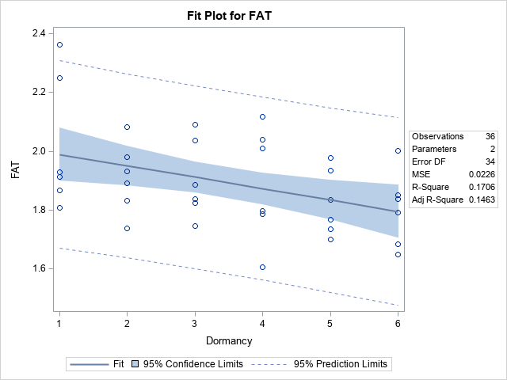
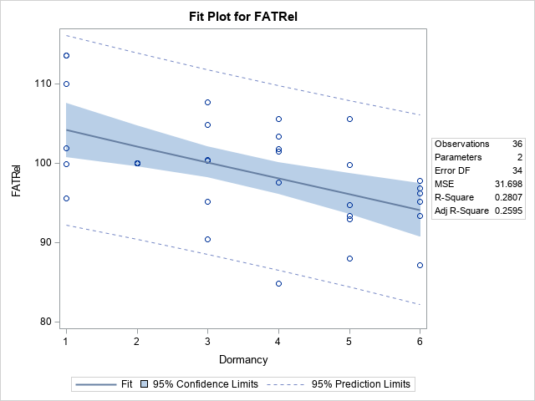
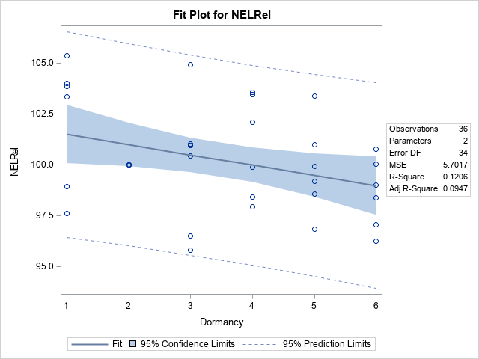
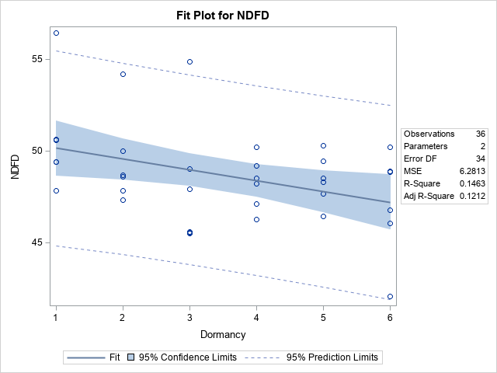
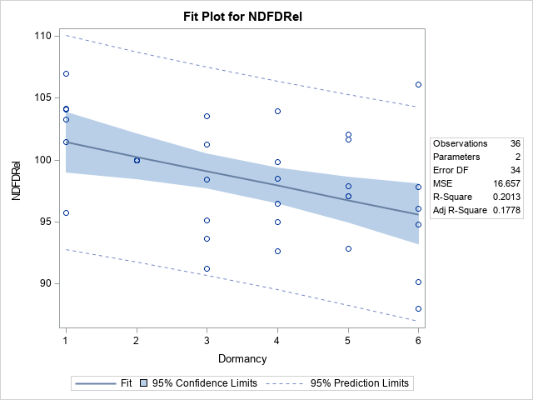
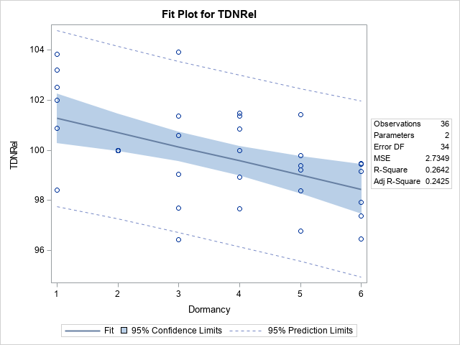



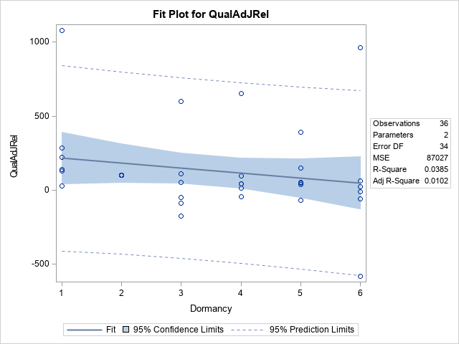

Fall Dormancy Cuts 1-4 2019 and 2020 |  |  |  |  |  |  |  | Fall Dormancy Cuts 1-4 2019 and 2020 |  |  |  |  |  |  |  |  | Fall Dormancy Cuts 1-4 2019 and 2020 |  |  |  |  |  |  | Fall Dormancy Cuts 1-4 2019 and 2020 |  |  |  |  |  |  |  |  | Fall Dormancy Cuts 1-4 2019 and 2020 |  |  |  |  |  |  |  |  | Fall Dormancy Cuts 1-4 2019 and 2020 |  |  |  |  |  |  |  | Fall Dormancy Cuts 1-4 2019 and 2020 |  |  |  |  |  |  |  | Fall Dormancy Cuts 1-4 2019 and 2020 |  |  |  |  |  |  |  | Fall Dormancy Cuts 1-4 2019 and 2020 |  |  |  |  |  |  |  |  | Fall Dormancy Cuts 1-4 2019 and 2020 |  |  |  |  |  |  |  | Fall Dormancy Cuts 1-4 2019 and 2020 |  |  |  |  |  | Fall Dormancy Cuts 1-4 2019 and 2020 |  |  |  |  |  | Fall Dormancy Cuts 1-4 2019 and 2020 |  |  |  |  |  | Fall Dormancy Cuts 1-4 2019 and 2020 |  |  |  |  |  | Fall Dormancy Cuts 1-4 2019 and 2020 |  |  |  |  |  | Fall Dormancy Cuts 1-4 2019 and 2020 |  |  |  |  |  | Fall Dormancy Cuts 1-4 2019 and 2020 |  |  |  |  |  | Fall Dormancy Cuts 1-4 2019 and 2020 |  |  |  |  |  | Fall Dormancy Cuts 1-4 2019 and 2020

The REG Procedure |  |  |  |  |  |  |  | The REG Procedure |  |  |  |  |  |  |  |  | The REG Procedure |  |  |  |  |  |  | The REG Procedure |  |  |  |  |  |  |  |  | The REG Procedure |  |  |  |  |  |  |  |  | The REG Procedure |  |  |  |  |  |  |  | The REG Procedure |  |  |  |  |  |  |  | The REG Procedure |  |  |  |  |  |  |  | The REG Procedure |  |  |  |  |  |  |  |  | The REG Procedure |  |  |  |  |  |  |  | The REG Procedure |  |  |  |  |  | The REG Procedure |  |  |  |  |  | The REG Procedure |  |  |  |  |  | The REG Procedure |  |  |  |  |  | The REG Procedure |  |  |  |  |  | The REG Procedure |  |  |  |  |  | The REG Procedure |  |  |  |  |  | The REG Procedure |  |  |  |  |  | The REG Procedure
Model: MODEL1 |  |  |  |  |  |  |  | Model: MODEL1 |  |  |  |  |  |  |  |  | Model: MODEL1 |  |  |  |  |  |  | Model: MODEL1 |  |  |  |  |  |  |  |  | Model: MODEL1 |  |  |  |  |  |  |  |  | Model: MODEL1 |  |  |  |  |  |  |  | Model: MODEL1 |  |  |  |  |  |  |  | Model: MODEL1 |  |  |  |  |  |  |  | Model: MODEL1 |  |  |  |  |  |  |  |  | Model: MODEL1 |  |  |  |  |  |  |  | Model: MODEL1 |  |  |  |  |  | Model: MODEL1 |  |  |  |  |  | Model: MODEL1 |  |  |  |  |  | Model: MODEL1 |  |  |  |  |  | Model: MODEL1 |  |  |  |  |  | Model: MODEL1 |  |  |  |  |  | Model: MODEL1 |  |  |  |  |  | Model: MODEL1 |  |  |  |  |  | Model: MODEL1
Dependent Variable: ADFRel |  |  |  |  |  |  |  | Dependent Variable: aNDFRel |  |  |  |  |  |  |  |  | Dependent Variable: FATRel |  |  |  |  |  |  | Dependent Variable: LigninRel |  |  |  |  |  |  |  |  | Dependent Variable: WSCRel |  |  |  |  |  |  |  |  | Dependent Variable: NELRel |  |  |  |  |  |  |  | Dependent Variable: RFVRel |  |  |  |  |  |  |  | Dependent Variable: NFCRel |  |  |  |  |  |  |  | Dependent Variable: NDFD |  |  |  |  |  |  |  |  | Dependent Variable: NDFDRel |  |  |  |  |  |  |  | Dependent Variable: TDN |  |  |  |  |  | Dependent Variable: TDNRel |  |  |  |  |  | Dependent Variable: DMI |  |  |  |  |  | Dependent Variable: DMIRel |  |  |  |  |  | Dependent Variable: RFQ |  |  |  |  |  | Dependent Variable: RFQRel |  |  |  |  |  | Dependent Variable: EnergyRel |  |  |  |  |  | Dependent Variable: FiberVRel |  |  |  |  |  | Dependent Variable: QualityAdj

Cut=4 |  |  |  |  |  |  |  | Cut=4 |  |  |  |  |  |  |  |  | Cut=4 |  |  |  |  |  |  | Cut=4 |  |  |  |  |  |  |  |  | Cut=4 |  |  |  |  |  |  |  |  | Cut=4 |  |  |  |  |  |  |  | Cut=4 |  |  |  |  |  |  |  | Cut=4 |  |  |  |  |  |  |  | Cut=4 |  |  |  |  |  |  |  |  | Cut=4 |  |  |  |  |  |  |  | Cut=4 |  |  |  |  |  | Cut=4 |  |  |  |  |  | Cut=4 |  |  |  |  |  | Cut=4 |  |  |  |  |  | Cut=4 |  |  |  |  |  | Cut=4 |  |  |  |  |  | Cut=4 |  |  |  |  |  | Cut=4 |  |  |  |  |  | Cut=4

Number of Observations Read | 35 |  |  |  |  |  |  | Number of Observations Read | 35 |  |  |  |  |  |  |  | Number of Observations Read | 35 |  |  |  |  |  | Number of Observations Read | 35 |  |  |  |  |  |  |  | Number of Observations Read | 35 |  |  |  |  |  |  |  | Number of Observations Read | 35 |  |  |  |  |  |  | Number of Observations Read | 35 |  |  |  |  |  |  | Number of Observations Read | 35 |  |  |  |  |  |  | Number of Observations Read | 35 |  |  |  |  |  |  |  | Number of Observations Read | 35 |  |  |  |  |  |  | Number of Observations Read | 35 |  |  |  |  | Number of Observations Read | 35 |  |  |  |  | Number of Observations Read | 35 |  |  |  |  | Number of Observations Read | 35 |  |  |  |  | Number of Observations Read | 35 |  |  |  |  | Number of Observations Read | 35 |  |  |  |  | Number of Observations Read | 35 |  |  |  |  | Number of Observations Read | 35 |  |  |  |  | Number of Observations Read | 35
Number of Observations Used | 35 |  |  |  |  |  |  | Number of Observations Used | 35 |  |  |  |  |  |  |  | Number of Observations Used | 35 |  |  |  |  |  | Number of Observations Used | 35 |  |  |  |  |  |  |  | Number of Observations Used | 35 |  |  |  |  |  |  |  | Number of Observations Used | 35 |  |  |  |  |  |  | Number of Observations Used | 35 |  |  |  |  |  |  | Number of Observations Used | 35 |  |  |  |  |  |  | Number of Observations Used | 35 |  |  |  |  |  |  |  | Number of Observations Used | 35 |  |  |  |  |  |  | Number of Observations Used | 35 |  |  |  |  | Number of Observations Used | 35 |  |  |  |  | Number of Observations Used | 35 |  |  |  |  | Number of Observations Used | 35 |  |  |  |  | Number of Observations Used | 35 |  |  |  |  | Number of Observations Used | 35 |  |  |  |  | Number of Observations Used | 35 |  |  |  |  | Number of Observations Used | 35 |  |  |  |  | Number of Observations Used | 35

Analysis of Variance |  |  |  |  |  |  |  | Analysis of Variance |  |  |  |  |  |  |  |  | Analysis of Variance |  |  |  |  |  |  | Analysis of Variance |  |  |  |  |  |  |  |  | Analysis of Variance |  |  |  |  |  |  |  |  | Analysis of Variance |  |  |  |  |  |  |  | Analysis of Variance |  |  |  |  |  |  |  | Analysis of Variance |  |  |  |  |  |  |  | Analysis of Variance |  |  |  |  |  |  |  |  | Analysis of Variance |  |  |  |  |  |  |  | Analysis of Variance |  |  |  |  |  | Analysis of Variance |  |  |  |  |  | Analysis of Variance |  |  |  |  |  | Analysis of Variance |  |  |  |  |  | Analysis of Variance |  |  |  |  |  | Analysis of Variance |  |  |  |  |  | Analysis of Variance |  |  |  |  |  | Analysis of Variance |  |  |  |  |  | Analysis of Variance
Source | DF | Sum of | Mean | F Value | Pr > F |  |  | Source | DF | Sum of | Mean | F Value | Pr > F |  |  |  | Source | DF | Sum of | Mean | F Value | Pr > F |  | Source | DF | Sum of | Mean | F Value | Pr > F |  |  |  | Source | DF | Sum of | Mean | F Value | Pr > F |  |  |  | Source | DF | Sum of | Mean | F Value | Pr > F |  |  | Source | DF | Sum of | Mean | F Value | Pr > F |  |  | Source | DF | Sum of | Mean | F Value | Pr > F |  |  | Source | DF | Sum of | Mean | F Value | Pr > F |  |  |  | Source | DF | Sum of | Mean | F Value | Pr > F |  |  | Source | DF | Sum of | Mean | F Value | Pr > F | Source | DF | Sum of | Mean | F Value | Pr > F | Source | DF | Sum of | Mean | F Value | Pr > F | Source | DF | Sum of | Mean | F Value | Pr > F | Source | DF | Sum of | Mean | F Value | Pr > F | Source | DF | Sum of | Mean | F Value | Pr > F | Source | DF | Sum of | Mean | F Value | Pr > F | Source | DF | Sum of | Mean | F Value | Pr > F | Source | DF | Sum of | Mean | F Value | Pr > F
 |  | Squares | Square |  |  |  |  |  |  | Squares | Square |  |  |  |  |  |  |  | Squares | Square |  |  |  |  |  | Squares | Square |  |  |  |  |  |  |  | Squares | Square |  |  |  |  |  |  |  | Squares | Square |  |  |  |  |  |  | Squares | Square |  |  |  |  |  |  | Squares | Square |  |  |  |  |  |  | Squares | Square |  |  |  |  |  |  |  | Squares | Square |  |  |  |  |  |  | Squares | Square |  |  |  |  | Squares | Square |  |  |  |  | Squares | Square |  |  |  |  | Squares | Square |  |  |  |  | Squares | Square |  |  |  |  | Squares | Square |  |  |  |  | Squares | Square |  |  |  |  | Squares | Square |  |  |  |  | Squares | Square
Model | 1 | 330.75671 | 330.75671 | 5.92 | 0.0205 |  |  | Model | 1 | 397.6434 | 397.6434 | 5.91 | 0.0206 |  |  |  | Model | 1 | 238.20798 | 238.20798 | 5.3 | 0.0278 |  | Model | 1 | 381.14223 | 381.14223 | 5.6 | 0.024 |  |  |  | Model | 1 | 213.69598 | 213.69598 | 5.09 | 0.0309 |  |  |  | Model | 1 | 95.19822 | 95.19822 | 4.23 | 0.0476 |  |  | Model | 1 | 1130.86217 | 1130.86217 | 11.7 | 0.0017 |  |  | Model | 1 | 187.57975 | 187.57975 | 4.8 | 0.0356 |  |  | Model | 1 | 87.99587 | 87.99587 | 4.7 | 0.0375 |  |  |  | Model | 1 | 357.52163 | 357.52163 | 9.99 | 0.0034 |  |  | Model | 1 | 29.34603 | 29.34603 | 5.05 | 0.0315 | Model | 1 | 93.56597 | 93.56597 | 4.44 | 0.0427 | Model | 1 | 1.25814 | 1.25814 | 4.5 | 0.0414 | Model | 1 | 985.1962 | 985.1962 | 12.5 | 0.0012 | Model | 1 | 6659.39071 | 6659.39071 | 5.13 | 0.0302 | Model | 1 | 1669.01622 | 1669.01622 | 14.41 | 0.0006 | Model | 1 | 95.19822 | 95.19822 | 4.23 | 0.0476 | Model | 1 | 397.6434 | 397.6434 | 5.91 | 0.0206 | Model | 1 | 3950.13462 | 3950.13462 | 4.7 | 0.0375
Error | 33 | 1843.15135 | 55.85307 |  |  |  |  | Error | 33 | 2219.32078 | 67.25214 |  |  |  |  |  | Error | 33 | 1484.09936 | 44.97271 |  |  |  | Error | 33 | 2247.46555 | 68.10502 |  |  |  |  |  | Error | 33 | 1386.3678 | 42.01115 |  |  |  |  |  | Error | 33 | 742.05476 | 22.48651 |  |  |  |  | Error | 33 | 3189.43001 | 96.64939 |  |  |  |  | Error | 33 | 1289.23464 | 39.06772 |  |  |  |  | Error | 33 | 617.77402 | 18.72042 |  |  |  |  |  | Error | 33 | 1180.55333 | 35.77434 |  |  |  |  | Error | 33 | 191.92065 | 5.81578 |  |  | Error | 33 | 694.69158 | 21.05126 |  |  | Error | 33 | 9.21862 | 0.27935 |  |  | Error | 33 | 2601.90298 | 78.84554 |  |  | Error | 33 | 42830 | 1297.8645 |  |  | Error | 33 | 3822.95008 | 115.84697 |  |  | Error | 33 | 742.05476 | 22.48651 |  |  | Error | 33 | 2219.32078 | 67.25214 |  |  | Error | 33 | 27732 | 840.35987
Corrected Total | 34 | 2173.90807 |  |  |  |  |  | Corrected Total | 34 | 2616.96419 |  |  |  |  |  |  | Corrected Total | 34 | 1722.30734 |  |  |  |  | Corrected Total | 34 | 2628.60778 |  |  |  |  |  |  | Corrected Total | 34 | 1600.06378 |  |  |  |  |  |  | Corrected Total | 34 | 837.25298 |  |  |  |  |  | Corrected Total | 34 | 4320.29218 |  |  |  |  |  | Corrected Total | 34 | 1476.81439 |  |  |  |  |  | Corrected Total | 34 | 705.76989 |  |  |  |  |  |  | Corrected Total | 34 | 1538.07496 |  |  |  |  |  | Corrected Total | 34 | 221.26668 |  |  |  | Corrected Total | 34 | 788.25755 |  |  |  | Corrected Total | 34 | 10.47676 |  |  |  | Corrected Total | 34 | 3587.09918 |  |  |  | Corrected Total | 34 | 49489 |  |  |  | Corrected Total | 34 | 5491.9663 |  |  |  | Corrected Total | 34 | 837.25298 |  |  |  | Corrected Total | 34 | 2616.96419 |  |  |  | Corrected Total | 34 | 31682

Root MSE | 7.47349 | R-Square | 0.1521 |  |  |  |  | Root MSE | 8.20074 | R-Square | 0.1519 |  |  |  |  |  | Root MSE | 6.70617 | R-Square | 0.1383 |  |  |  | Root MSE | 8.25258 | R-Square | 0.145 |  |  |  |  |  | Root MSE | 6.4816 | R-Square | 0.1336 |  |  |  |  |  | Root MSE | 4.74199 | R-Square | 0.1137 |  |  |  |  | Root MSE | 9.83104 | R-Square | 0.2618 |  |  |  |  | Root MSE | 6.25042 | R-Square | 0.127 |  |  |  |  | Root MSE | 4.32671 | R-Square | 0.1247 |  |  |  |  |  | Root MSE | 5.98117 | R-Square | 0.2324 |  |  |  |  | Root MSE | 2.41159 | R-Square | 0.1326 |  |  | Root MSE | 4.58817 | R-Square | 0.1187 |  |  | Root MSE | 0.52854 | R-Square | 0.1201 |  |  | Root MSE | 8.8795 | R-Square | 0.2746 |  |  | Root MSE | 36.02589 | R-Square | 0.1346 |  |  | Root MSE | 10.76322 | R-Square | 0.3039 |  |  | Root MSE | 4.74199 | R-Square | 0.1137 |  |  | Root MSE | 8.20074 | R-Square | 0.1519 |  |  | Root MSE | 28.98896 | R-Square | 0.1247
Dependent Mean | 99.10394 | Adj R-Sq | 0.1265 |  |  |  |  | Dependent Mean | 98.29091 | Adj R-Sq | 0.1262 |  |  |  |  |  | Dependent Mean | 101.64753 | Adj R-Sq | 0.1122 |  |  |  | Dependent Mean | 99.54091 | Adj R-Sq | 0.1191 |  |  |  |  |  | Dependent Mean | 102.44083 | Adj R-Sq | 0.1073 |  |  |  |  |  | Dependent Mean | 101.97839 | Adj R-Sq | 0.0868 |  |  |  |  | Dependent Mean | 104.92365 | Adj R-Sq | 0.2394 |  |  |  |  | Dependent Mean | 101.5361 | Adj R-Sq | 0.1006 |  |  |  |  | Dependent Mean | 51.3107 | Adj R-Sq | 0.0982 |  |  |  |  |  | Dependent Mean | 100.3488 | Adj R-Sq | 0.2092 |  |  |  |  | Dependent Mean | 68.82486 | Adj R-Sq | 0.1063 |  |  | Dependent Mean | 101.2152 | Adj R-Sq | 0.092 |  |  | Dependent Mean | 3.95596 | Adj R-Sq | 0.0934 |  |  | Dependent Mean | 103.78166 | Adj R-Sq | 0.2527 |  |  | Dependent Mean | 222.30179 | Adj R-Sq | 0.1083 |  |  | Dependent Mean | 104.34859 | Adj R-Sq | 0.2828 |  |  | Dependent Mean | 101.97839 | Adj R-Sq | 0.0868 |  |  | Dependent Mean | 98.29091 | Adj R-Sq | 0.1262 |  |  | Dependent Mean | 28.88169 | Adj R-Sq | 0.0982
Coeff Var | 7.54106 |  |  |  |  |  |  | Coeff Var | 8.34334 |  |  |  |  |  |  |  | Coeff Var | 6.59747 |  |  |  |  |  | Coeff Var | 8.29064 |  |  |  |  |  |  |  | Coeff Var | 6.32717 |  |  |  |  |  |  |  | Coeff Var | 4.65 |  |  |  |  |  |  | Coeff Var | 9.36971 |  |  |  |  |  |  | Coeff Var | 6.15586 |  |  |  |  |  |  | Coeff Var | 8.43237 |  |  |  |  |  |  |  | Coeff Var | 5.96038 |  |  |  |  |  |  | Coeff Var | 3.50396 |  |  |  |  | Coeff Var | 4.53308 |  |  |  |  | Coeff Var | 13.36054 |  |  |  |  | Coeff Var | 8.55594 |  |  |  |  | Coeff Var | 16.20585 |  |  |  |  | Coeff Var | 10.31468 |  |  |  |  | Coeff Var | 4.65 |  |  |  |  | Coeff Var | 8.34334 |  |  |  |  | Coeff Var | 100.37141

Parameter Estimates |  |  |  |  |  |  |  | Parameter Estimates |  |  |  |  |  |  |  |  | Parameter Estimates |  |  |  |  |  |  | Parameter Estimates |  |  |  |  |  |  |  |  | Parameter Estimates |  |  |  |  |  |  |  |  | Parameter Estimates |  |  |  |  |  |  |  | Parameter Estimates |  |  |  |  |  |  |  | Parameter Estimates |  |  |  |  |  |  |  | Parameter Estimates |  |  |  |  |  |  |  |  | Parameter Estimates |  |  |  |  |  |  |  | Parameter Estimates |  |  |  |  |  | Parameter Estimates |  |  |  |  |  | Parameter Estimates |  |  |  |  |  | Parameter Estimates |  |  |  |  |  | Parameter Estimates |  |  |  |  |  | Parameter Estimates |  |  |  |  |  | Parameter Estimates |  |  |  |  |  | Parameter Estimates |  |  |  |  |  | Parameter Estimates
Variable | DF | Parameter | Standard | t Value | Pr > |t| |  |  | Variable | DF | Parameter | Standard | t Value | Pr > |t| |  |  |  | Variable | DF | Parameter | Standard | t Value | Pr > |t| |  | Variable | DF | Parameter | Standard | t Value | Pr > |t| |  |  |  | Variable | DF | Parameter | Standard | t Value | Pr > |t| |  |  |  | Variable | DF | Parameter | Standard | t Value | Pr > |t| |  |  | Variable | DF | Parameter | Standard | t Value | Pr > |t| |  |  | Variable | DF | Parameter | Standard | t Value | Pr > |t| |  |  | Variable | DF | Parameter | Standard | t Value | Pr > |t| |  |  |  | Variable | DF | Parameter | Standard | t Value | Pr > |t| |  |  | Variable | DF | Parameter | Standard | t Value | Pr > |t| | Variable | DF | Parameter | Standard | t Value | Pr > |t| | Variable | DF | Parameter | Standard | t Value | Pr > |t| | Variable | DF | Parameter | Standard | t Value | Pr > |t| | Variable | DF | Parameter | Standard | t Value | Pr > |t| | Variable | DF | Parameter | Standard | t Value | Pr > |t| | Variable | DF | Parameter | Standard | t Value | Pr > |t| | Variable | DF | Parameter | Standard | t Value | Pr > |t| | Variable | DF | Parameter | Standard | t Value | Pr > |t|
 |  | Estimate | Error |  |  |  |  |  |  | Estimate | Error |  |  |  |  |  |  |  | Estimate | Error |  |  |  |  |  | Estimate | Error |  |  |  |  |  |  |  | Estimate | Error |  |  |  |  |  |  |  | Estimate | Error |  |  |  |  |  |  | Estimate | Error |  |  |  |  |  |  | Estimate | Error |  |  |  |  |  |  | Estimate | Error |  |  |  |  |  |  |  | Estimate | Error |  |  |  |  |  |  | Estimate | Error |  |  |  |  | Estimate | Error |  |  |  |  | Estimate | Error |  |  |  |  | Estimate | Error |  |  |  |  | Estimate | Error |  |  |  |  | Estimate | Error |  |  |  |  | Estimate | Error |  |  |  |  | Estimate | Error |  |  |  |  | Estimate | Error
Intercept | 1 | 92.82347 | 2.87342 | 32.3 | <.0001 |  |  | Intercept | 1 | 91.40463 | 3.15303 | 28.99 | <.0001 |  |  |  | Intercept | 1 | 106.97739 | 2.5784 | 41.49 | <.0001 |  | Intercept | 1 | 92.79903 | 3.17296 | 29.25 | <.0001 |  |  |  | Intercept | 1 | 107.48902 | 2.49206 | 43.13 | <.0001 |  |  |  | Intercept | 1 | 105.34779 | 1.82321 | 57.78 | <.0001 |  |  | Intercept | 1 | 116.5366 | 3.77985 | 30.83 | <.0001 |  |  | Intercept | 1 | 106.26576 | 2.40317 | 44.22 | <.0001 |  |  | Intercept | 1 | 54.55013 | 1.66354 | 32.79 | <.0001 |  |  |  | Intercept | 1 | 106.87843 | 2.29965 | 46.48 | <.0001 |  |  | Intercept | 1 | 70.69559 | 0.92721 | 76.25 | <.0001 | Intercept | 1 | 104.55559 | 1.76407 | 59.27 | <.0001 | Intercept | 1 | 4.34331 | 0.20321 | 21.37 | <.0001 | Intercept | 1 | 114.62091 | 3.414 | 33.57 | <.0001 | Intercept | 1 | 250.48269 | 13.85129 | 18.08 | <.0001 | Intercept | 1 | 118.45668 | 4.13826 | 28.62 | <.0001 | Intercept | 1 | 105.34779 | 1.82321 | 57.78 | <.0001 | Intercept | 1 | 91.40463 | 3.15303 | 28.99 | <.0001 | Intercept | 1 | 50.58588 | 11.14572 | 4.54 | <.0001
Dormancy | 1 | 1.8318 | 0.75275 | 2.43 | 0.0205 |  |  | Dormancy | 1 | 2.0085 | 0.826 | 2.43 | 0.0206 |  |  |  | Dormancy | 1 | -1.55454 | 0.67546 | -2.3 | 0.0278 |  | Dormancy | 1 | 1.96638 | 0.83122 | 2.37 | 0.024 |  |  |  | Dormancy | 1 | -1.47239 | 0.65284 | -2.26 | 0.0309 |  |  |  | Dormancy | 1 | -0.98274 | 0.47762 | -2.06 | 0.0476 |  |  | Dormancy | 1 | -3.38711 | 0.9902 | -3.42 | 0.0017 |  |  | Dormancy | 1 | -1.37949 | 0.62955 | -2.19 | 0.0356 |  |  | Dormancy | 1 | -0.94483 | 0.4358 | -2.17 | 0.0375 |  |  |  | Dormancy | 1 | -1.90448 | 0.60244 | -3.16 | 0.0034 |  |  | Dormancy | 1 | -0.54563 | 0.2429 | -2.25 | 0.0315 | Dormancy | 1 | -0.97428 | 0.46213 | -2.11 | 0.0427 | Dormancy | 1 | -0.11298 | 0.05324 | -2.12 | 0.0414 | Dormancy | 1 | -3.16145 | 0.89436 | -3.53 | 0.0012 | Dormancy | 1 | -8.21943 | 3.6286 | -2.27 | 0.0302 | Dormancy | 1 | -4.11486 | 1.08409 | -3.8 | 0.0006 | Dormancy | 1 | -0.98274 | 0.47762 | -2.06 | 0.0476 | Dormancy | 1 | 2.0085 | 0.826 | 2.43 | 0.0206 | Dormancy | 1 | -6.33039 | 2.91983 | -2.17 | 0.0375

